NOTES
The data is associated with the book Foundations of Human Sociality
edited by Joe Henrich, Robert Boyd, Sam Bowles, Herbert Gintis, Ernst Fehr and Colin Camerer, Oxford University Press

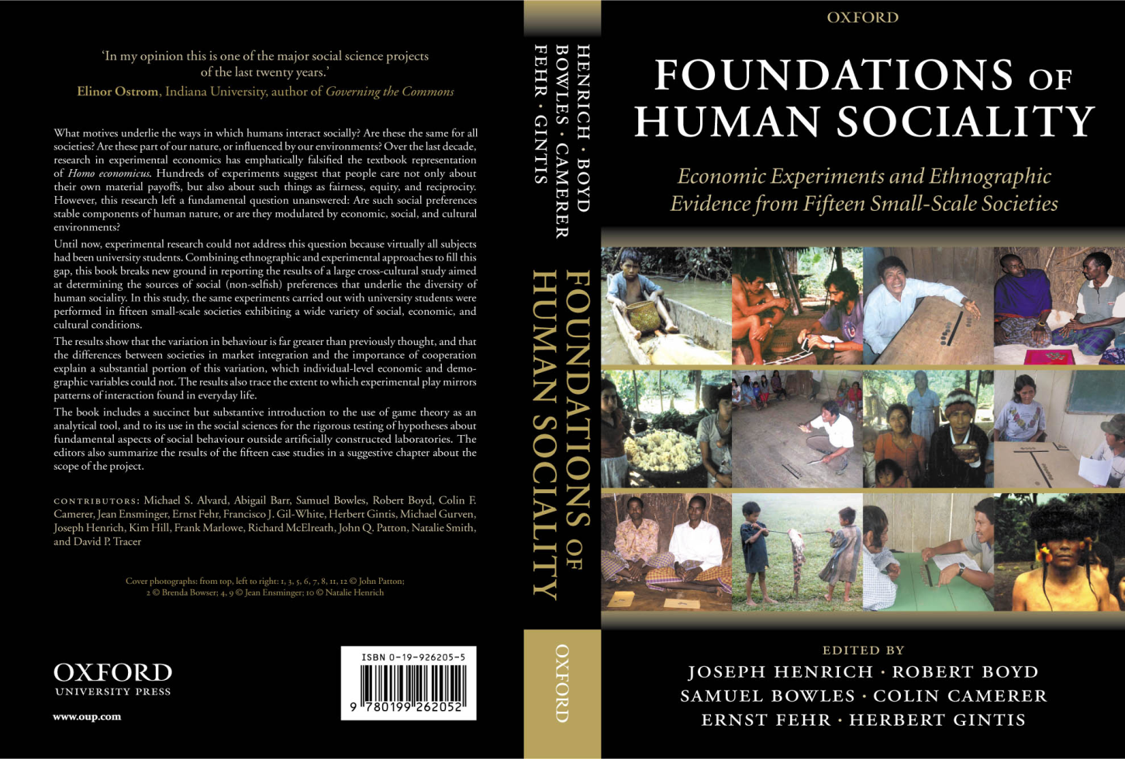
All inquiries should be directed to Joe Henrich | joseph.henrich@gmail.com
 |  |  | Discrepancies with BBS paper and book, found after publication
 |  | 1 | Shona sample is 117, not 118 (BBS paper and book)
 |  | 2 | Machiguenga has 9 offer of 20% or less, not 10
 |  | 3 | Ache had only 1 offer less than 20% (or equal), not 2
 |  | 4 | Ache mode is 40% if sample (or 80% if you acount both), not 22%
 |  | 5 | % female of Lamalera sample is 7.7% (all proposers are male)

 |  |  | The errors are only in the summary table and did NOT percolate through the analysis.
 |  |  | While we deeply regret allowing these errors to slip through, we don't feel they
 |  |  | jeopardize the findings in any way.

This dataset was originally compile by Richard McElreath
It has since by edited and worked with extensively by Joe Henrich
Meghana Blatt has also worked with it.

